Diagrams
 | Findings:
Basic results of Mean Absolute error
Overall mean MAE | 0.023
Overall mean RMSE | 0.026
We will only look at mean absolute error performance of the model based on long term variabls and based on country.
Overall MAE |  | MAE by Country
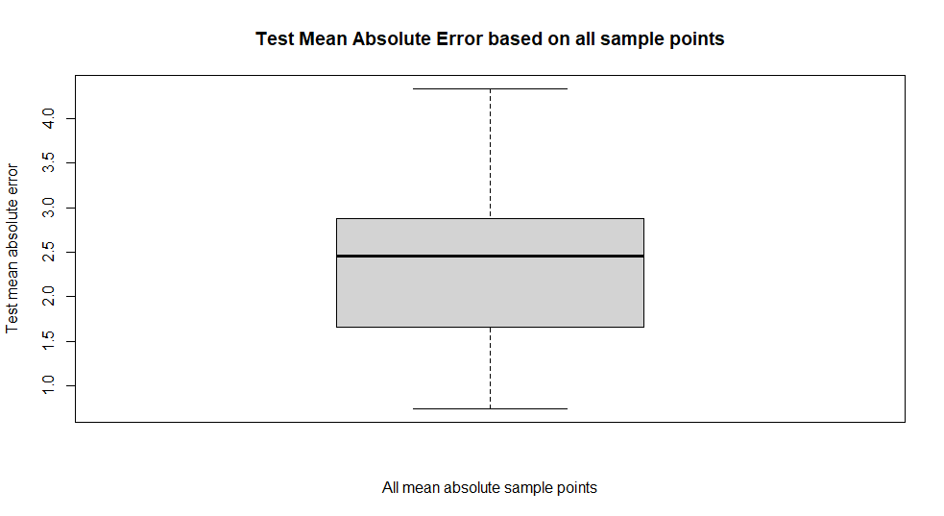
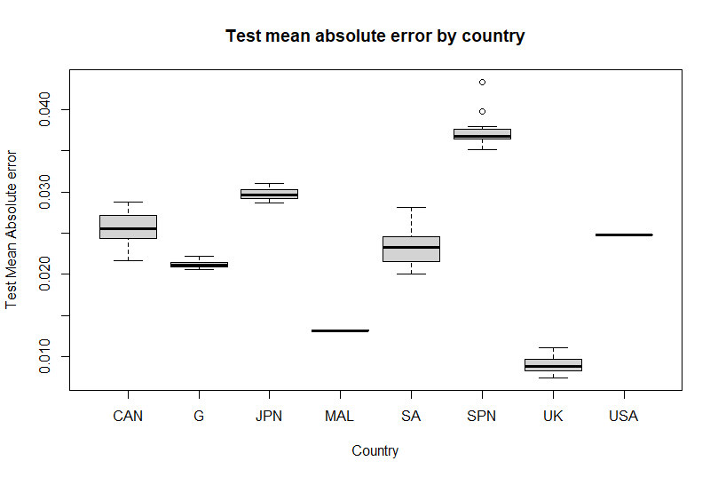

Maximum value | 4.34
Upper quartile | 2.88
Median | 2.46 | Based on the box plot of test mean absolute error by country, there seems to be a visual difference of the model performing better in learning the data set for countries like UK and Malaysia compared to countries like Spain and Japan. Possible explanations for this could be both in the quality of the data set and the extreme variability in the economy of Spain and Japan. Extreme fluctuations in the economy could lead to more noise in the data set and thus, makes it harder for the Deep Learning model to learn and predict the real GDP growth.
Lower quartile | 1.66
Minimum value | 0.74

Based on the overall test mean absolute error boxplot, it is clear that under the perfect circumstances, our model could get the lowest test error value of 0.74. Under more extreme circumstances, the model underperforms and gets a high test error of 4.34

MAE by LV
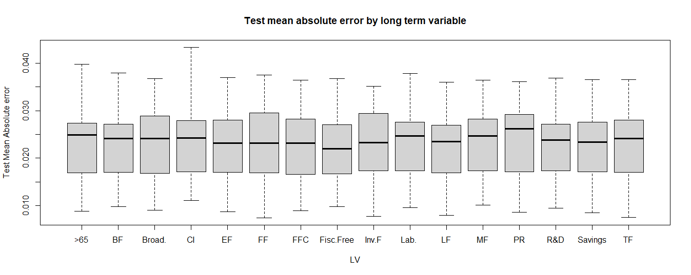

Based on boxplot diagram, there is no clear visual evidence of a difference in the performance of the model in predicting real GDP growth on test data based on different long term variables.

